Sheet1
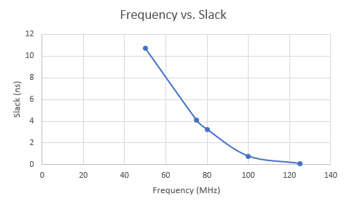
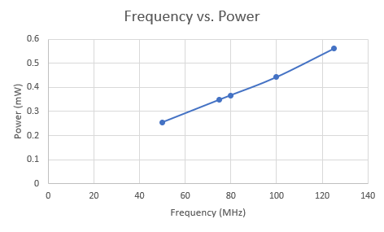
Frequency vs. Area
Frequency vs.Total Dynamic Power (uW)
 |  |  |  | FRONT END RESULTS
Period (ns) |  | Frequency(MHz) | Area (um2) | Total Dynamic Power (uW) | Cell Leakage Power (uW) | Slack (ns) | VCD Power:
3.33 |  | 300.30 | 54537.045535 | 699.2633 | 83.7705 | -3.68
5 |  | 200.00 | 54495.283534 | 463.037 | 82.6605 | -2.05
5.7 |  | 175.00 | 54507.785537 | 493.4579 | 83.2724 | -1.34
6.67 |  | 150.00 | 54491.559535 | 434.9966 | 82.9273 | -0.3
8 |  | 125.00 | 54225.559539 | 363.1127 | 77.4486 | 0.01
10 |  | 100.00 | 54084.313545 | 301.5621 | 74.9671 | 0.24 | 355.5693
12.5 |  | 80.00 | 54068.087546 | 255.8986 | 74.6084 | 2.47

 |  |  |  | BACK END RESULTS
Density = 0.2
Period | Area | Macro Area | Slack | Power (mW) | Violations | Density | Instances: | Frequency
8 | 291462.8 | 48702.6 | 0.088 | 0.5604 | DRC | 2.14% | 39329 | 125
10 | 291462.8 | 48702.6 | 0.768 | 0.4425 | DRC | 2.10% | 38613 | 100
12.5 | 291462.8 | 48702.6 | 3.252 | 0.3673 | DRC | 2.10% | 38613 | 80
13.33 | 291462.8 | 48702.6 | 4.082 | 0.3486 | DRC | 2.10% | 38613 | 75
20 | 291462.8 | 48702.6 | 10.752 | 0.2545 | DRC | 2.10% | 38613 | 50

